Sheet1
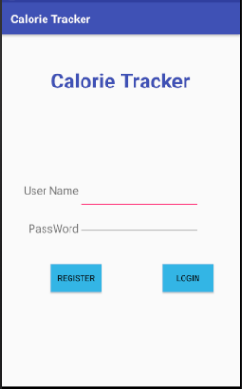
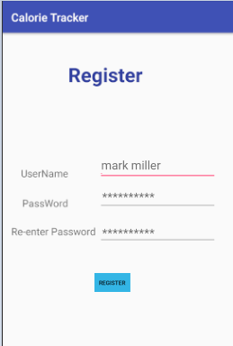
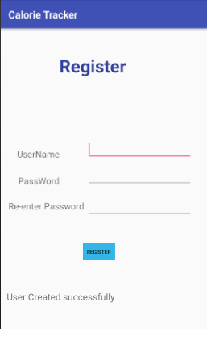
 |  | Figure1 |  |  | Figure2 |  |  | Figure3
UC1.1:Register
Pre-Condition:The user does not have a registered account in the calorie tracker System.
Actor: User/Admin | System:Calorie Tracker
 | 0.System Displays the Login Page(Figure1)
1. TUCBWthe User/Admin will be able to click on the Register Button on Login Page. | 2. System display Signup form in Signup page.(Figure2)
3. Admin/User fills the form and clicks on Register button | 4. System displays Signup Successful message (Figure3)
5. TUCEWthe Admin/user gets the access and can view the “Login” page.
Post-Condition:A new account for User/Admin is created in the system

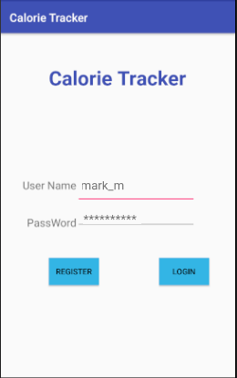
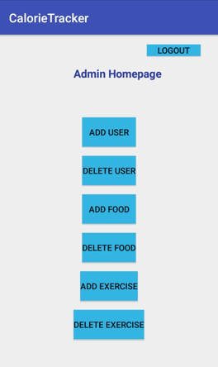
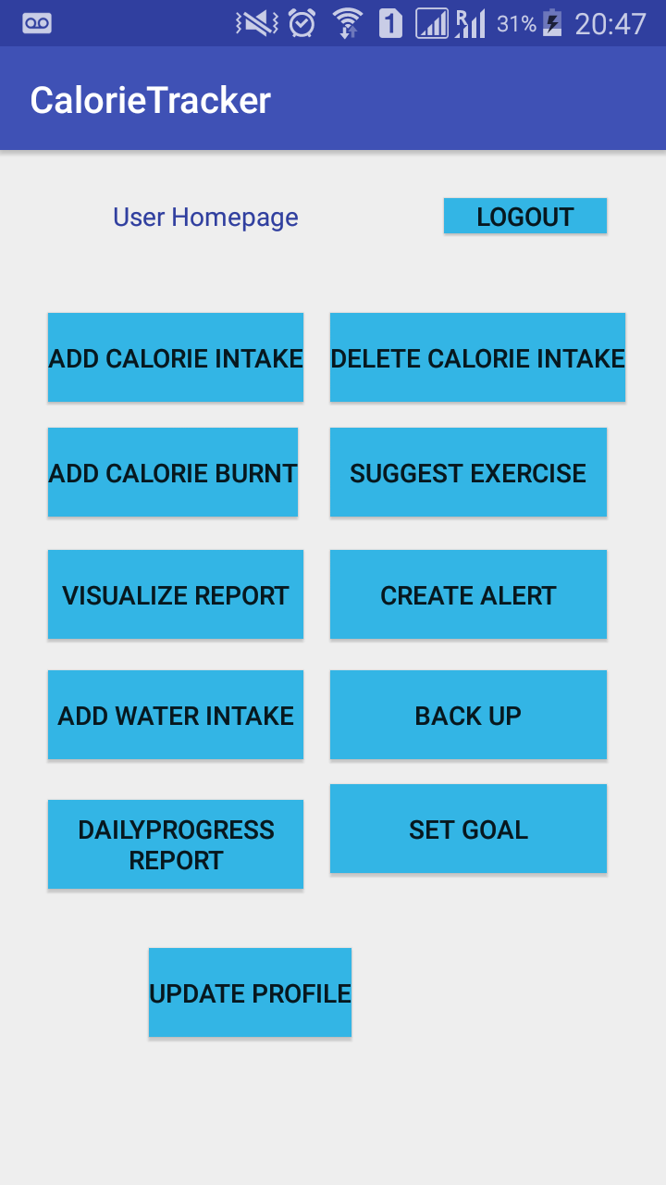
 |  |  | Figure4 |  | Figure5 |  |  | Figure6
UC1.2:Login
Pre-Condition:The user has a registered User name and Password.
Actor: User/Admin | System:Calorie Tracker
 | 0.System Displays the login Page (Figure4)
1. TUCBWthe User/Admin will be able to Enter Username and Password and Click on Login | 2. System display the Home Page page based on the User Type i. If the User is admin it displays the admin home page (Figure5) ii. If the User is the Normal User it displays User Home Page (Figure 6) iii. First time User will be redirected to the profile creation page
3. TUCEWthe user gains access into the system. New User can view the “Profile Creation” page; existing User/Admin can view “Home” page and the “Admin” will be able to see “Admin Home” page.
Post-Condition:A User/Admin Shall be logged into the application with all the available function to uses.

 |  |  | Figure7 |  | Figure8
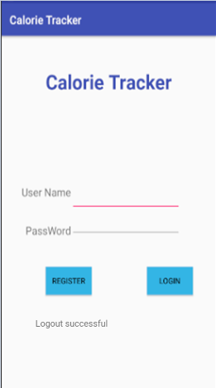
UC1.2.4:Logout
Pre-Condition:The user Should be logged into the System
Actor: User/Admin | System:Calorie Tracker
 | 0.System Displays the logout Button in the all necessary screens like home page, challenge page, profile creation page or other functions page (Figure 7)
1. TUCBWthe User/Admin will be able to click on the Logout Button. | 2. System displays the logout successful message
5. TUCEWThe User/Admin will see the logout successful message
Post-Condition:The User/Admin will be redirected to the login page

 |  |  | FIgure9 |  | Figure 10
UC2:Create Profile
Pre-Condition:The User logging into the application for the first time.
Actor: User/Admin | System:Calorie Tracker
 | 0.System displays the Login Page.
1. TUCBWthe User/Admin logins in for the first time | 2. System displays form for the profile Creation(Figure10)
3.The User fills in all the profile creation form with all the details like First Name, Last Name, Date of birth, Age, Gender, Height, Weight, Country, State, City and clicks on submit button | 4.The System will display the Profile updated successfully message
5.TUCEW:The User will see the Profile updated successfully message
Post-Condition:The User will be redirected to the Home page.
 |  |  |  |  | 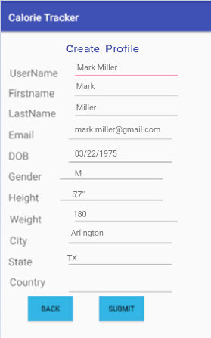
UC3: Add User (Admin) |  |  | Figure 11 |  | Figure12
Pre-Condition: Admin Logged into the system
Actor : Admin | System: Calorie Tracker
 | 0. System displays the Admin Home Page
1.TUCBW the Admin selects the Add User Button | 2. The system displays the Add User Screen with fields like email ,password and Username (Figure 11)
3.The Admin fills the details in the Add User Screen and selects the Add User button | 4.The System displays the message"New User created Successfully " (Figure 12)
5.TUCEW with The Admin views the message " New User Created Successfully"
Post-Condition : System adds the new user account
 |  | 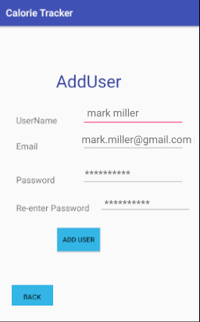 |  | 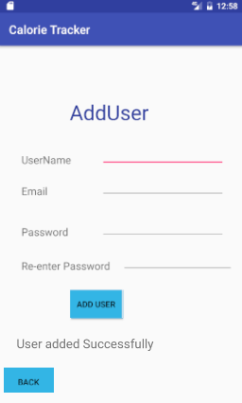
 |  |  | Figure 13 |  | Figure 14
UC4:Delete User (Admin)
Pre-Condition: Admin Logged into the system
Actor : Admin | System: Calorie Tracker
 | 0. System displays the Admin Home Page
1.TUCBW the Admin selects the Delete User Button | 2. The system displays the DeleteUser Screen with fields like email ,username (figure 13)
3.The Admin fills the details of the user that needs to be deleted in the Delete User Screen and selects the submit button | 4.The System displays the message"The User deleted Successfully " (Figure 14)
5.TUCEW with The Admin views the message " The User deleted Successfully"
Post-Condition : System deleted the user account
 |  | 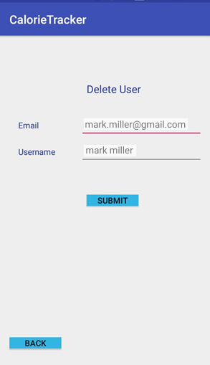 |  | 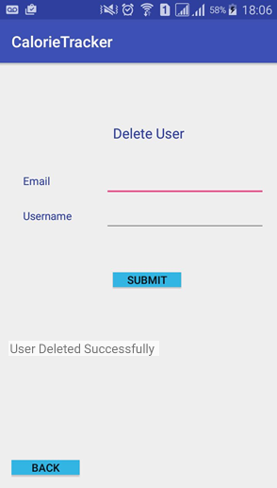
 |  |  | Figure 15 |  | Figure 16
UC5: Add Food (Admin)
Pre-Condition: Admin Logged into the system
Actor : Admin | System: Calorie Tracker
 | 0. System displays the Admin Home Page
1.TUCBW the Admin selects the Add Food Button | 2. The system displays the Add Food Screen with fields like Food Name and Calories (Figure 15)
3.The Admin fills the details of the food item that is to be added and selects the submit button | 4.The System displays the message"New Food Item is added Successfully " (Figure 16)
5.TUCEW with The Admin views the message " New Food Item is added Successfully"
Post-Condition : System adds the new Food item to the Food List and Admin is redirected to the Home Page

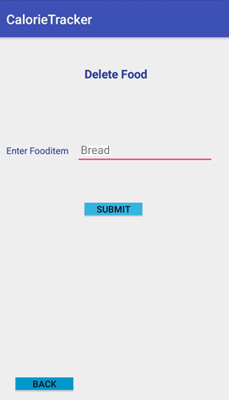
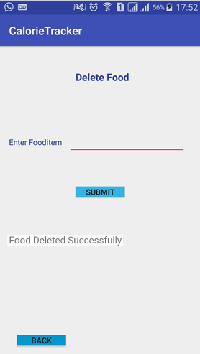
 |  | 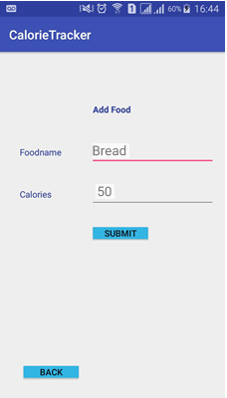 |  | 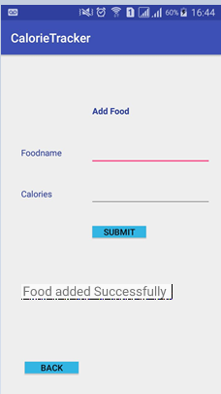
 |  |  | Figure 17 |  |  | Figure 18
UC6: Delete Food (Admin)
Pre-Condition: Admin Logged into the system
Actor : Admin | System: Calorie Tracker
 | 0. System displays the Admin Home Page
1.TUCBW the Admin selects the Delete Food Button | 2. The system displays the Delete Food Screen with field Food Name .(Figure 17)
3.The Admin fills the details of the food item that is to be removed and selects the submit button | 4.The System displays the message"Food Item is removed Successfully " (Figure 18)
5.TUCEW with The Admin views the message " Food Item is deleted Successfully"
Post-Condition : System deletes the Food item from the Food List and Admin is redirected to the Home Page

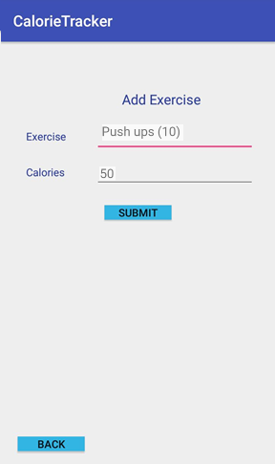
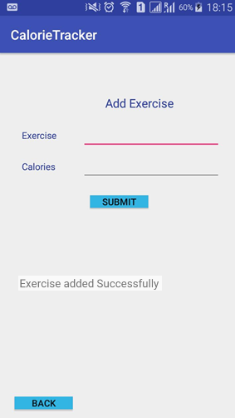
 |  |  | Figure 19 |  |  | Figure 20
UC7: Add Exercise (Admin)
Pre-Condition: Admin Logged into the system
Actor : Admin | System: Calorie Tracker
 | 0. System displays the Admin Home Page
1.TUCBW the Admin selects the Add Exercise Button | 2. The system displays the Add Exercise Screen with fields like Exercise Name and Calories (Figure 19)
3.The Admin fills the details of the Exercise that is to be added and selects the submit button | 4.The System displays the message"New exercise is added Successfully " (Figure 20)
5.TUCEW with The Admin views the message " New exercise is added Successfully"
Post-Condition : System adds the new Exercise to the Exercise List and Admin is redirected to the Home Page

UC8: Delete Exercise (Admin) |  |  | Figure 21 |  | Figure 22
Pre-Condition: Admin Logged into the system
Actor : Admin | System: Calorie Tracker
 | 0. System displays the Admin Home Page
1.TUCBW the Admin selects the Delete Exercise Button | 2. The system displays the Delete Exercise Screen with field Exercise Name (Figure 21)
3.The Admin fills the details of the Exercise that is to be removed and selects the submit button | 4.The System displays the message"Exercise is removed Successfully " (Figure 22)
5.TUCEW with The Admin views the message "Exercise is removed Successfully"
Post-Condition : System deleted the Exercise from the Exercise List and Admin is redirected to the Home Page
 |  | 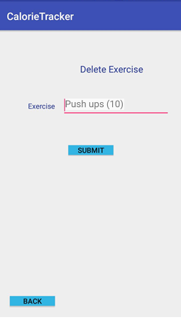 |  | 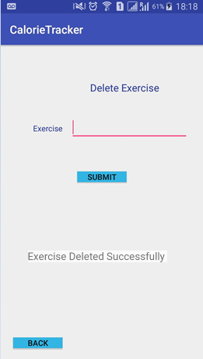
UC9: Add Calorie Intake |  |  | Figure 23 |  | Figure 24 |  |  | Figure 25
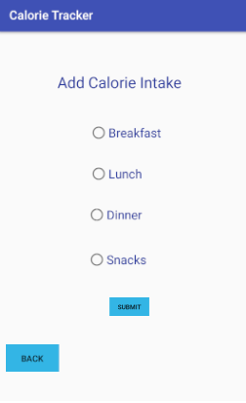
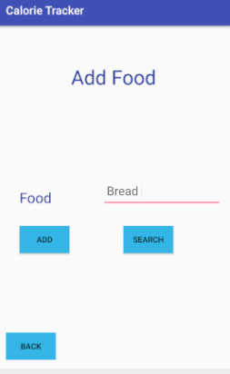
Pre-Condition: User Logged into the system
Actor : User | System: Calorie Tracker
 | 0. System displays the User Home Page
1.TUCBW the User selects the Add Calorie Intake Button | 2. The system displays the Food Screen with field Food Categories (Figure 23)
3.The User fills in the category type | 4.The System displays the Fields to choose the food. (Figure 24)
5.The User adds the Food/Calorie Intake by selecting Food name | 6. The System adds the Food to the Calorie tracker for the current day and displays "calorie added" message (Figure 25)
7.TUCEW with The Admin views the message "Calorie is added Successfully"
Post-Condition : System adds the Food/Calorie Intake from the Food List and User is redirected to the Home Page
 |  |  |  |  |  |  | 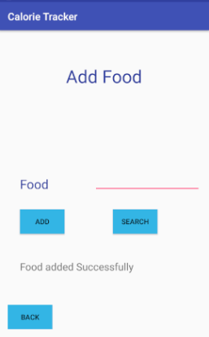

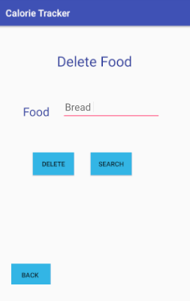
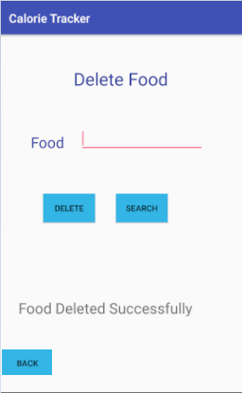
UC10: Delete Calorie Intake |  |  | Figure 26 |  | Figure 27
Pre-Condition: Admin Logged into the system
Actor : User | System: Calorie Tracker
 | 0. System displays the User Home Page
1.TUCBW the User selects the Delete Calorie Intake Button | 2. The system displays the Food Screen with field Food Categories
3.The User fills in the category type | 4.The System displays the Fields to choose the food. (Figure 26)
5.The User deletes the Food/Calorie Intake by selecting Food name | 6. The System deletes the Food to the Calorie tracker for the current day and displays "cFood deleted" message (Figure 27)
7.TUCEW with The Admin views the message "Calorie is removed Successfully"
Post-Condition : System Deletes the Food/Calorie Intake from the Food List and User is redirected to the Home Page

UC11:Add Calorie Burnt |  |  | Figure 28 |  | Figure 29
Pre-Condition: User Logged into the system
Actor : User | System: Calorie Tracker
 | 0. System displays the User Home Page
1.TUCBW the User selects the Add Calorie Burnt Button | 2. The system displays the ExerCise Screen with field Exercise name (Figure 28 )
3.The User fills in the exercise name and clicks on add button | 4. The System adds the Exercise to the Calorie tracker for the current day and displays "Exercise added" message (Figure 29)
5.TUCEW with The User views the message "Exercise is added Successfully"
Post-Condition : System adds the Exercise from the Exercise List and User is redirected to the Home Page
 |  | 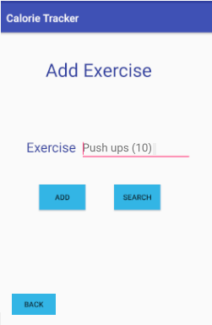 |  | 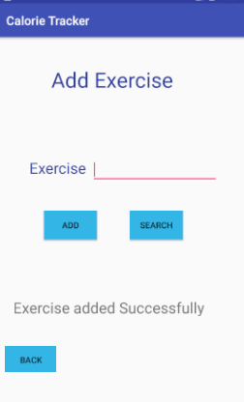
 |  |  | Figure 30 |  | Figure 31
UC12: Add Water
Pre-Condition: User Logged into the system
Actor : User | System: Calorie Tracker
 | 0. System displays the User Home Page
1.TUCBW the User selects the Add Water Button | 2. The system displays the Add Water Screen with field sizes of the water quantity (Figure 30)
3.The User Selects the appropriate the water quantity by selecting the size of the water | 4.The System displays the message"water is added Successfully " (Figure 31)
5.TUCEW with The User views the message "Water is added Successfully"
Post-Condition : System adds the water intake and User redirected to the Home Page
 |  | 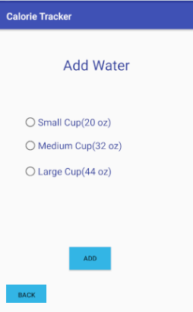 |  | 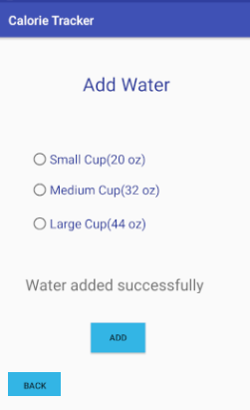

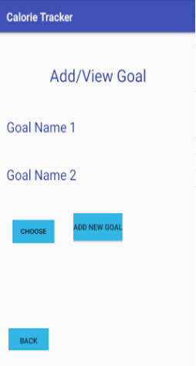
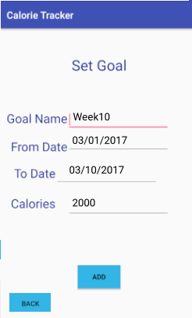
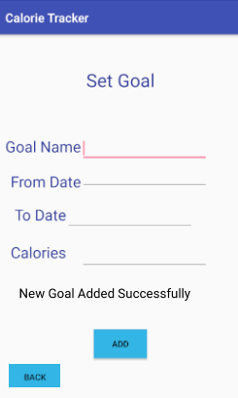
UC13: Set Goal/Challenge |  |  | Figure 32 |  | Figure 33 |  |  | Figure 34
Pre-Condition: User Logged into the system
Actor : User | System: Calorie Tracker
 | 0. System displays the User Home Page
1.TUCBW the User selects the Goal Button | 2. The system displays the Goal Screen Screen with all the previous goals and also the space to add new goal (Figure 32)
3.The user selects the add new goal button | 4.The System displays new goal screen with the fields "date range for the goal" and the "calorie for the goal" and name of the goal (Figure 33)
5. the User adds both date range and the calorie for the goal and clicks on the Add button | 6. The System saves the new goal and displays the message " Goal added successfully" (Figure 34)
5.TUCEW with The User views the message "Goal added Successfully"
Post-Condition : System Creates the new goal and User is redirected to the Home Page

UC14: Search Food/Exercise
Pre-Condition: User Logged into the system
Actor : User | System: Calorie Tracker
 | 0. System displays the User Home Page
1.TUCBW the User selects the Delete/Add Exercise/Food Button | 2. The system displays the Food Screen/ Exercise with search field
3.The user fills the details of the Exercise/Food that is to be searched and selects the search button | 4.The System displays the shorlisted food/exercise
5.TUCEW with The User views the message shortlisted food/exercise
Post-Condition : System displays the shortlisted food/exercise list
 |  | 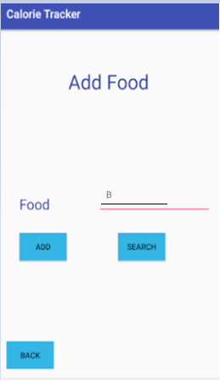 |  | 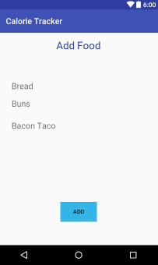
UC15: Visualize Report |  |  | Figure 37 |  | Figure 38
Pre-Condition: User Logged into the system
Actor : User | System: Calorie Tracker
 | 0. System displays the User Home Page
1.TUCBW the Admin selects the Visualize Report Button | 2. The system displays the Visulaize Report Screen with field Date Range to select (Figure 37)
3.The User fills the details of the date range and clicks on bar chart button | 4.The System displays the data over that range in the form of barchart. (Figure 38)
5.TUCEW with The User views the data in the Bar Chart of the date range
Post-Condition : System displays the data over data range in the form of pie chart
 |  | 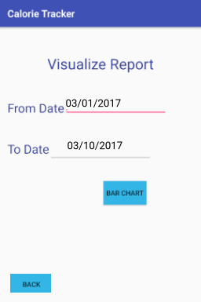 |  | 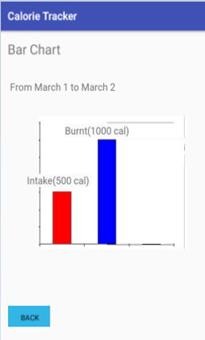 |  |  | 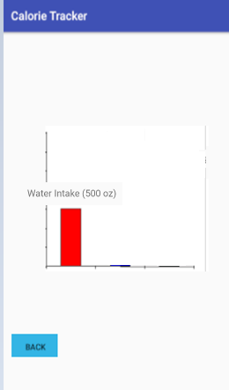

UC16: Suggest Exercise |  |  | Figure 39 |  |  | Figure 40
Pre-Condition: User has registered to the app and has created his profile
Actor : User | System: Calorie Tracker
 | 0. System displays the User Home Page (Figure 39)
1.TUCBW the User selects the suggest Exercise Button | 2. The system Retrieves the list of exercises based on his BMI and displays the same (Figure 40)
3.TUCEW with The User views the list of exercises
Post-Condition : System displays the List of exercises
 |  |  |  | 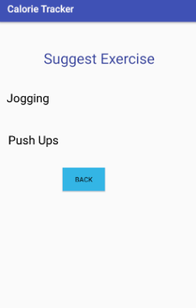

UC17: Create Alert |  |  | Figure 41 |  | Figure 42
Pre-Condition: User is Logged into the system
Actor : User | System: Calorie Tracker
 | 0. System displays the User Home Page
1.TUCBW the User Selects the create alert button. | 2. The system displays create alert page with the fields, time of alert (Figure 41)
3.The User fills in the time of the alert and clicks on submit | 4.The System saves the alert and displays the message "alert created" (Figure 42)
5.TUCEW with The User views the message "alert created"
Post-Condition : System displays the message alert created
 |  | 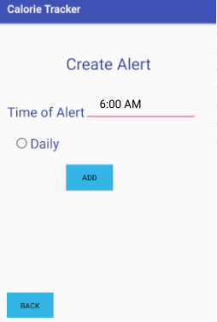 |  | 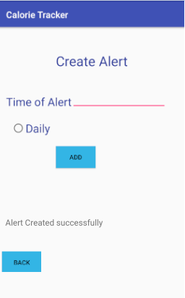

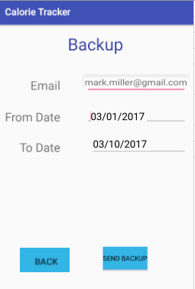
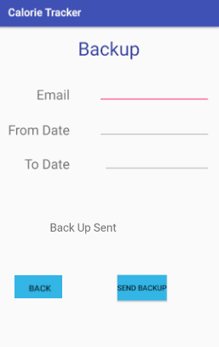
UC18: Backup |  |  | Figure 43 |  | Figure 44
Pre-Condition:The user is logged into the system
Actor: User | System:Calorie Tracker
 | 0.System Displays the User home page
1. TUCBWthe User clicks on the Backup Button home page | 2. System display backup page with fields date range and email address.(Figure 43)
3. User fills the form and clicks on send Button | 4. System displays backup sent successfully message (Figure 44 )
5. TUCEWthe User sees the back up successfully sent message
Post-Condition:The backup data will be sent to the user.

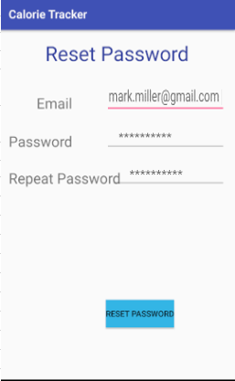
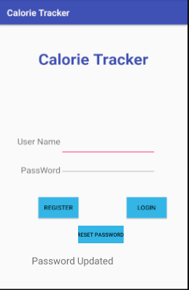
UC19:Reset Password |  |  | Figure 45 |  | Figure 46
Pre-Condition:The user/admin have a registered account in the calorie tracker System.
Actor: User/Admin | System:Calorie Tracker
 | 0.System Displays the Login Page
1. TUCBWthe User/Admin will be able to click on the Reset Password Button on Login Page. | 2. System display Reset Password Page (Figure 45)
3. Admin/User fills the form and clicks on Reset Button | 4. System displays Password successfully update message (Figure 46)
5. TUCEWthe User/Admin gets the access to the “Login” page.
Post-Condition:A new account for User/Admin is created in the system

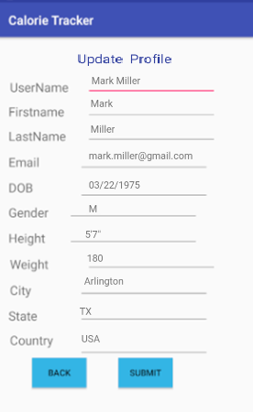
UC20:Update Profile |  |  | Figure 45 |  | Figure 46
Pre-Condition:The user is logged into the system
Actor: User | System:Calorie Tracker
 | 0.System DisplaysUser Home Page
1. TUCBWthe User clicks on the Update Profile Button. | 2. System display Reset Password Page (Figure 45)
3. Admin/User fills the form and clicks on Reset Button | 4. System displays Update profile page page with all the fields
5. The User fills in all the details and clicks on submit | 6.System displays the message profile updated successfully
TUCEW: The user views the message profile updated successfully | Figure 47
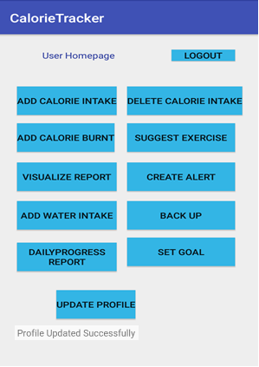 Post-Condition:The User views the message " profile updated successfully"
 |  |  | Figure 47 |  |  | Figure 48

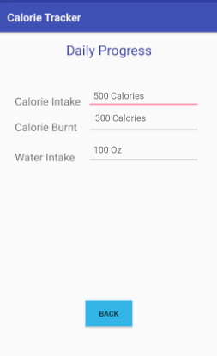
UC21: Daily Progress
Pre-Condition:The user is logged into the system
Actor: User | System:Calorie Tracker
 | 0.System Displays the User home page
1. TUCBWthe User clicks on the Daily Progress Report Button | 2. System display The Daily progress of the user with all the data like calorie intake, calorie burnt and water intake
3. User fills the form and clicks on send Button | Figure 48
5. TUCEWthe User views the daily progress data
Post-Condition:the User views the daily progress data

 |  |  | Figure 48

